Example Background
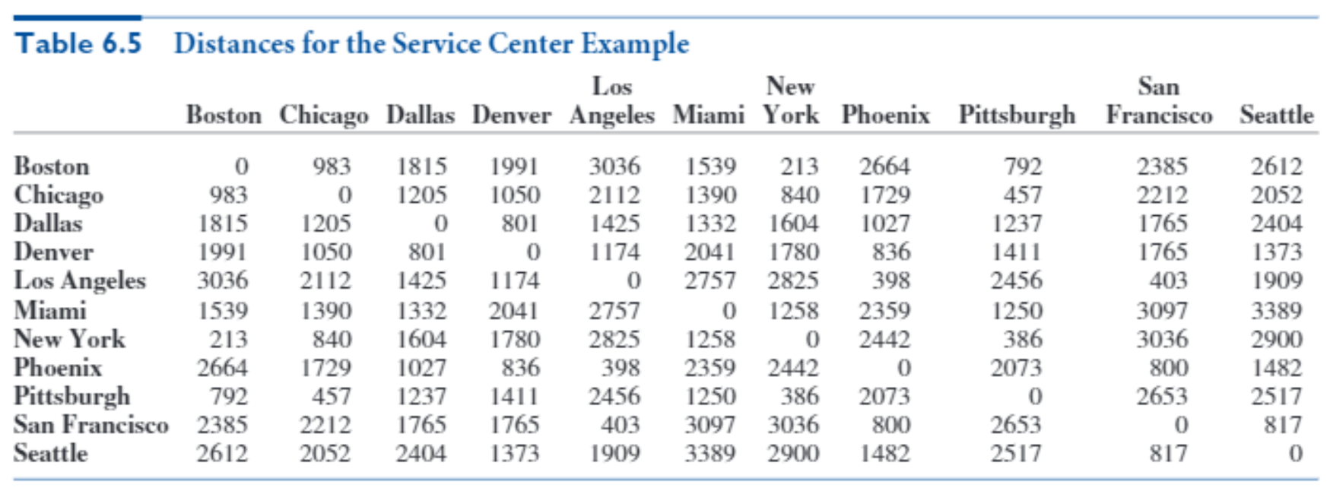
United Copiers sells and services copy machines to customers in 11 cities through
-out the country. The company wants to set up service centers in three of these
cities. After United Copiers chooses the location of the service centers, it must assign
customers in each city to one of the service centers. For example, if it decides to locate
a service center in New York and then assigns its Boston customers to the New York
service center, a service representative from New York will travel from Boston when
services are required there. The distances (in miles) between the cities are listed in
Table 6.5. The estimated annual numbers of trips to the various customers are listed in
Table 6.6. What should United Copiers do to minimize the total annual distance trave
-led by its service representatives?

Big Picture
Locating Service Centers

Whether to locate service center in city
Number of service centers
Required number of service centers
=

Assignments of customers to service centers
Number of service centers assigned to customer
=
1

Total annual distance traveled to customer
Number of customers service center is assigned to
Logical capacity of service center
<=
Distances between cities

Minimize total annual distance traveled
Annual number of trips to customer

